Rute
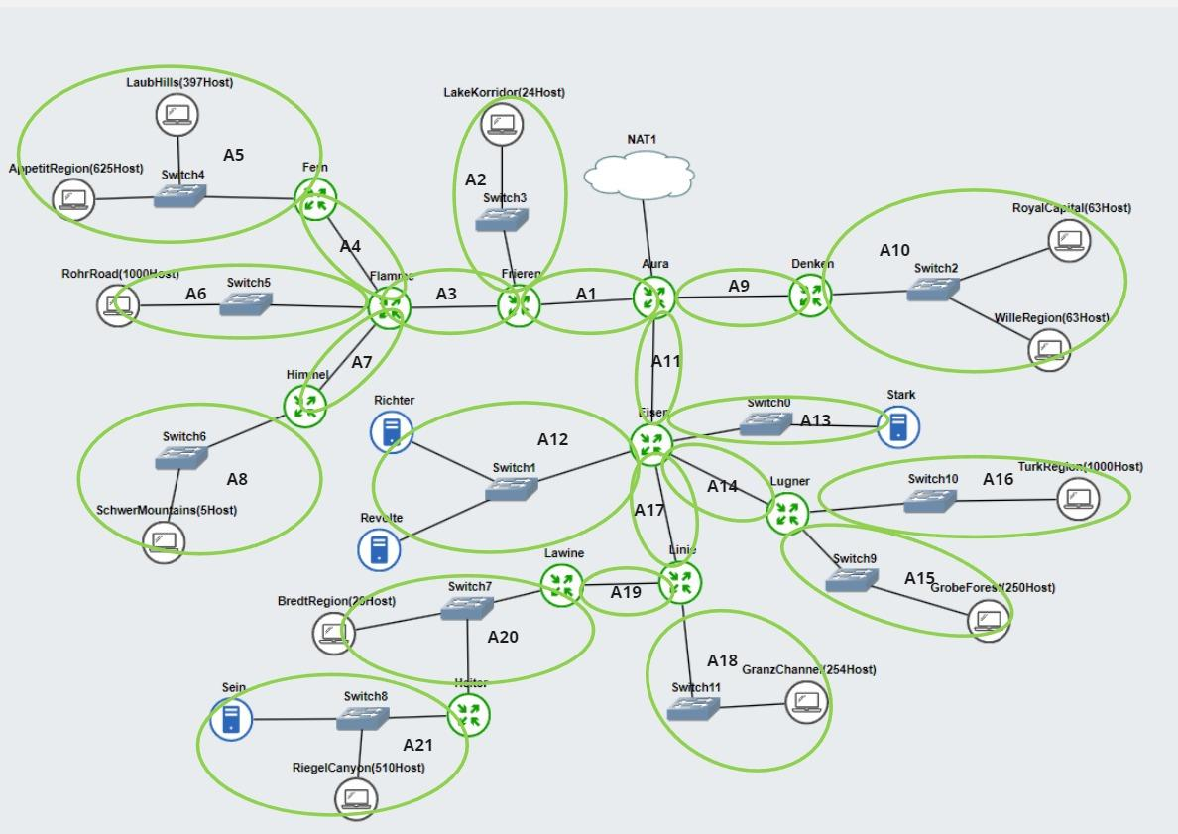
Nama Subnet | Rute | Jumlah Ip | Netmask
A1 | Aura - Frieren | 2 | /30
A2 | Frieren-Switch3-LakeKorridor | 25 | /27
A3 | Frieren-Flamme | 2 | /30
A4 | Flamme-Fern | 2 | /30
A5 | Fern-Switch4-Laubhills-ApetitRegion | 1023 | /21
A6 | Flamme-Switch5-RohrRoad | 1001 | /22
A7 | Flamme-Himmel | 2 | /30
A8 | Himmel-Switch6-Schwermontain | 6 | /29
A9 | Aura-denken | 2 | /30
A10 | Denken-Switch2-RoyalCapital-WilleRegion | 127 | /24
A11 | Aura -Eisen | 2 | /30
A12 | Eisen-Switch1-Richter-Revolte | 3 | /29
A13 | Eisen-Switch0-Stark | 2 | /30
A14 | Eisen-Lugner | 2 | /30
A15 | Lugner-Switch9-GrobeForest | 251 | /24
A16 | Lugner-Switch10-TurkRegion | 1001 | /22
A17 | Eisen-Linie | 2 | /30
A18 | Linie-Switch11-GranzChannel | 255 | /23
A19 | Linie-Lawine | 2 | /30
A20 | Lawine-Switch7-BredtRegion-Heiter | 31 | /26
A21 | Heiter-Switch8-Sein-riegelcanyon | 512 | /22
 |  | 4255

Pembagian IP VLSM
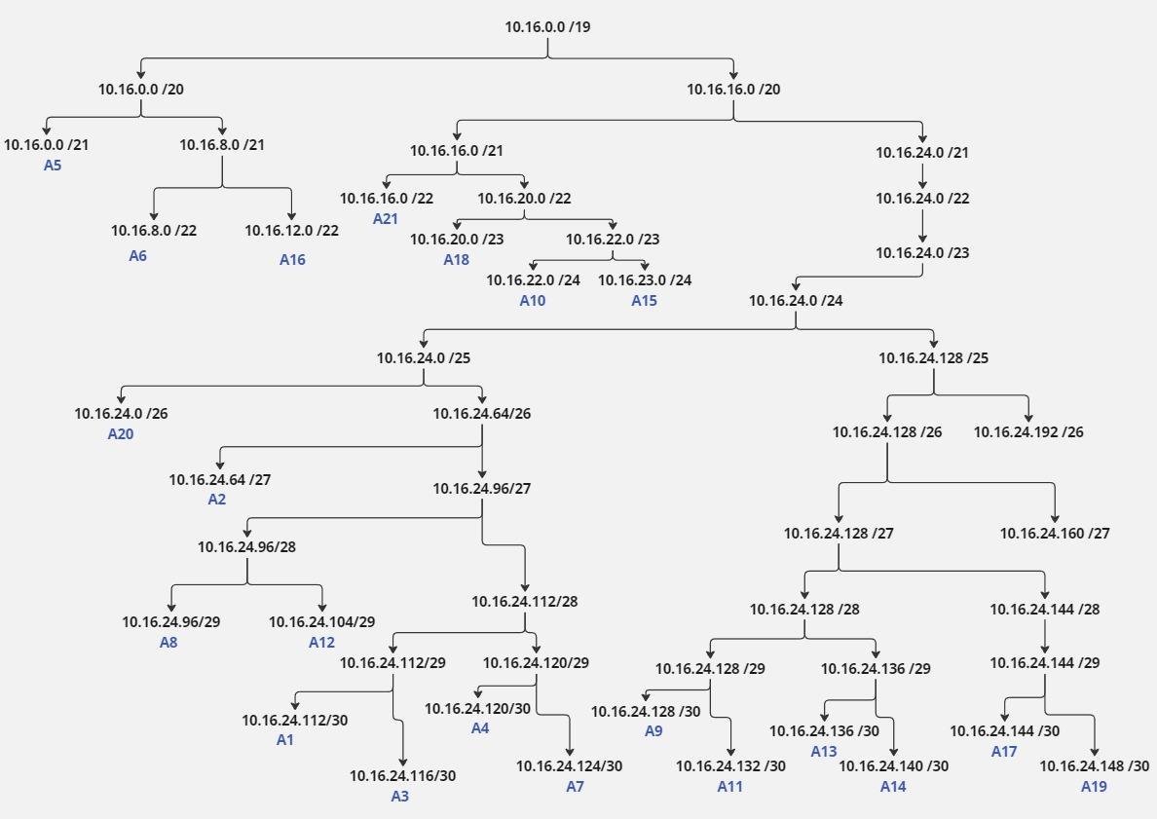
Subnet | Network ID | Netmask | Broadcast
A1 | 10.16.24.112 | 255.255.255.252 | 10.16.24.115
A2 | 10.16.26.64 | 255.255.255.224 | 10.16.26.95
A3 | 10.16.24.116 | 255.255.255.252 | 10.16.24.119
A4 | 10.16.24.120 | 255.255.255.252 | 10.16.24.123
A5 | 10.16.0.0 | 255.255.248.0 | 10.16.7.255
A6 | 10.16.8.0 | 255.255.252.0 | 10.16.11.255
A7 | 10.16.24.124 | 255.255.255.252 | 10.16.24.127
A8 | 10.16.24.96 | 255.255.255.248 | 10.16.24.103
A9 | 10.16.24.128 | 255.255.255.252 | 10.16.24.131
A10 | 10.16.22.0 | 255.255.255.0 | 10.16.22.255
A11 | 10.16.24.132 | 255.255.255.252 | 10.16.24.135
A12 | 10.16.24.104 | 255.255.255.248 | 10.16.24.111
A13 | 10.16.24.136 | 255.255.255.252 | 10.16.24.139
A14 | 10.16.24.140 | 255.255.255.252 | 10.16.24.143
A15 | 10.16.23.0 | 255.255.255.0 | 10.16.23.255
A16 | 10.16.12.0 | 255.255.252.0 | 10.16.15.255
A17 | 10.16.24.144 | 255.255.255.252 | 10.16.24.147
A18 | 10.16.20.0 | 255.255.254.0 | 10.16.21.255
A19 | 10.16.24.148 | 255.255.255.252 | 10.16.24.151
A20 | 10.16.24.0 | 255.255.255.192 | 10.16.24.63
A21 | 10.16.16.0 | 255.255.252.0 | 10.16.19.255

